TurtleBot+Launch
Parts | X | Y | Z | Mass | CGX | CGY | CGZ | Aung Khant Min | A0277181Y
waffle plate 1 | 1.18 | 34.52 | -12.08 | 40 | 47.2 | 1380.8 | -483.2 | Anton Tan Hong Zhi | A0255821E
waffle plate 2 | 0.98 | 93.48 | -11.92 | 40 | 39.2 | 3739.2 | -476.8 | Chen Yu Hsin | A0309013U
engine 1 | 18.55 | 43.75 | 40.79 | 55 | 1020.25 | 2406.25 | 2243.45 | Fan Xinzhe | A0311176M
engine 2 | 18.75 | 43.75 | -64.79 | 55 | 1031.25 | 2406.25 | -3563.45 | Lu Qianxi | A0311696Y
wheel1 | 18.55 | 32 | 66.3 | 27 | 500.85 | 864 | 1790.1
wheel 2 | 18.75 | 32 | -90.3 | 27 | 506.25 | 864 | -2438.1
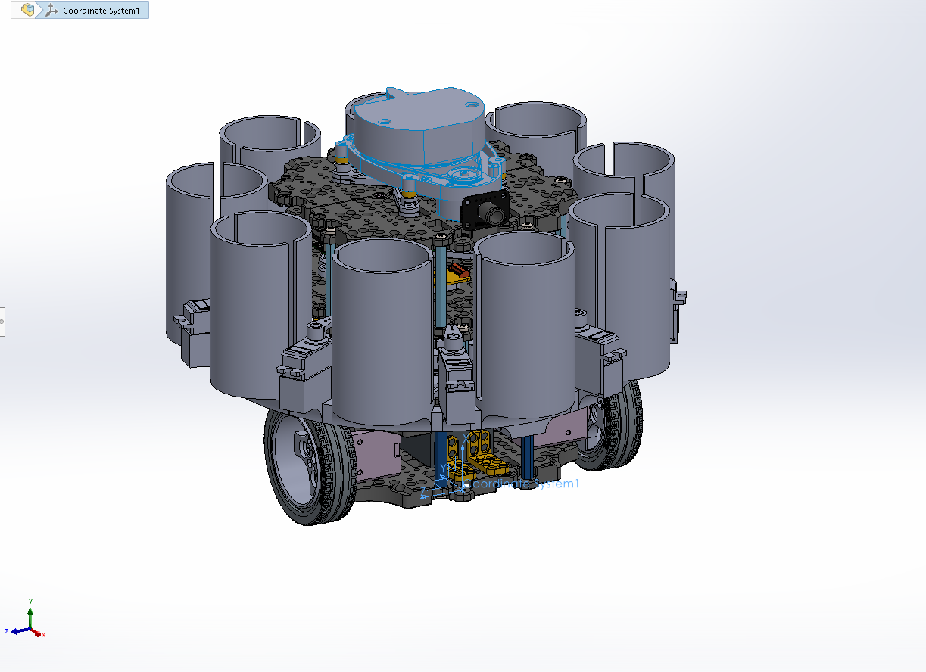
tire 1 | 18.55 | 32 | 67.45 | 30 | 556.5 | 960 | 2023.5
tire 2 | 18.75 | 32 | -91.45 | 30 | 562.5 | 960 | -2743.5
battery | 18.05 | 67.66 | -12.5 | 140 | 2527 | 9472.4 | -1750
ball | -10.06 | 113 | -12 | 3.57 | -35.9142 | 403.41 | -42.84
caster | -6.87 | 113 | -12 | 2 | -13.74 | 226 | -24
bracket 1 | 8.06 | 15.73 | -3 | 1.15 | 9.269 | 18.0895 | -3.45
bracket 2 | 8.06 | 15.73 | -21 | 1.15 | 9.269 | 18.0895 | -24.15
bracket 3 | 12.57 | 70 | 9.56 | 1.15 | 14.4555 | 80.5 | 10.994
bracket 4 | 12.57 | 70 | -33.56 | 1.15 | 14.4555 | 80.5 | -38.594
bracket 5 | 7.86 | 116 | -11.27 | 1.15 | 9.039 | 133.4 | -12.9605
m3 support 45 1.1 | 20 | 0 | 12 | 6 | 120 | 0 | 72
m3 support 45 1.2 | 17.5 | 0 | -26 | 6 | 105 | 0 | -156
m3 support 45 1.3 | 19.8 | 128 | -26 | 6 | 118.8 | 768 | -156
m3 support 45 1.4 | 17.3 | 128 | 12 | 6 | 103.8 | 768 | 72
waffle plate 3 | 38.48 | 34.52 | -12.08 | 40 | 1539.2 | 1380.8 | -483.2
waffle plate 4 | 38.13 | 93.48 | -11.9 | 40 | 1525.2 | 3739.2 | -476
pr30 1 | 44.98 | 21.89 | 11.18 | 2 | 89.96 | 43.78 | 22.36
pr30 2 | 44.93 | 106.11 | 11.2 | 2 | 89.86 | 212.22 | 22.4
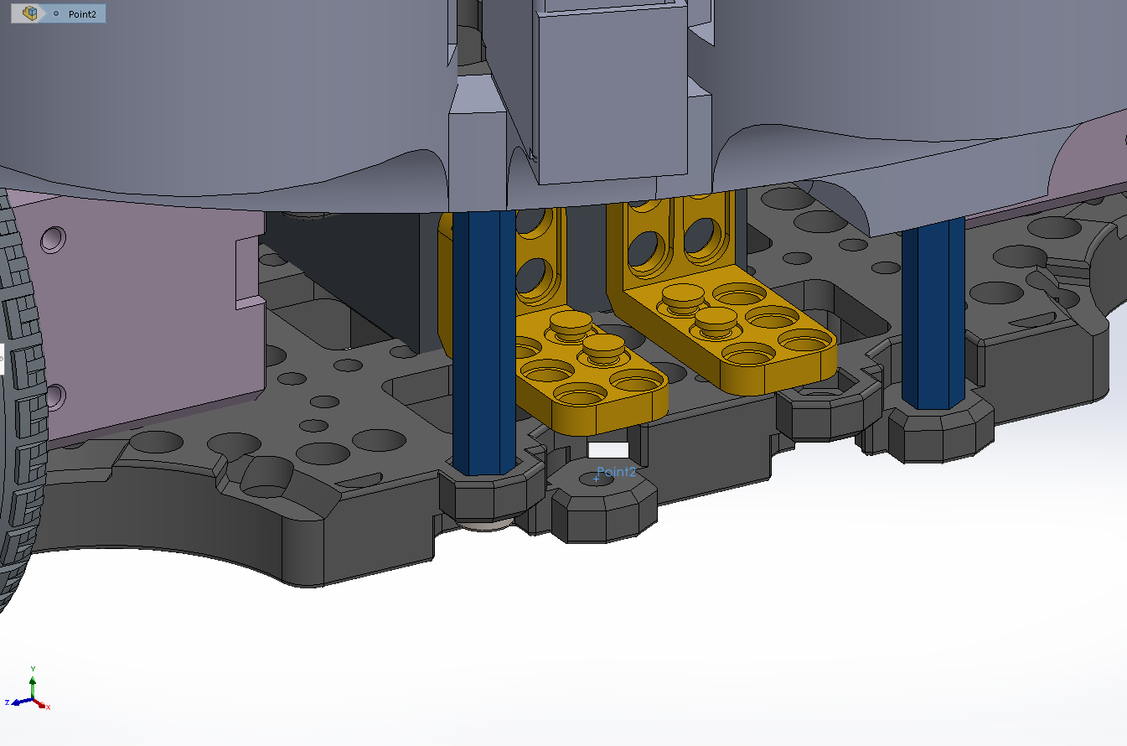
pr30 3 | 44.98 | 21.89 | -35.18 | 2 | 89.96 | 43.78 | -70.36
pr30 4 | 44.93 | 106.11 | -35.17 | 2 | 89.86 | 212.22 | -70.34
open cr board | 52.87 | 63.64 | -12.16 | 65 | 3436.55 | 4136.6 | -790.4
m3 support 45 2.1 | 59.8 | 0 | 0 | 6 | 358.8 | 0 | 0
m3 support 45 2.2 | 62 | 0 | -24 | 6 | 372 | 0 | -144
m3 support 45 2.3 | 59.75 | 88 | -75.98 | 6 | 358.5 | 528 | -455.88
m3 support 45 2.4 | 61.95 | 88 | 52.02 | 6 | 371.7 | 528 | 312.12
waffle plate 5 | 85.48 | 34.52 | -12.08 | 40 | 3419.2 | 1380.8 | -483.2
waffle plate 6 | 85.81 | 93.48 | -11.92 | 40 | 3432.4 | 3739.2 | -476.8
pr30 5 | 92.11 | 78.21 | -43.06 | 2 | 184.22 | 156.42 | -86.12
pr30 6 | 92.11 | 109.4 | -45.84 | 2 | 184.22 | 218.8 | -91.68
pr30 7 | 92.11 | 109.98 | 12.06 | 2 | 184.22 | 219.96 | 24.12
pr30 8 | 92.11 | 77.4 | 15.6 | 2 | 184.22 | 154.8 | 31.2
rpi | 105.36 | 104.51 | -10.23 | 47 | 4951.92 | 4911.97 | -480.81
3x3 plate | 90.5 | 49 | -12 | 2 | 181 | 98 | -24
pcb | 92.64 | 48.98 | -12.33 | 3 | 277.92 | 146.94 | -36.99
m3 support 45 3.1 | 109 | 0 | 12 | 6 | 654 | 0 | 72
m3 support 45 3.2 | 106.8 | 0 | -36 | 6 | 640.8 | 0 | -216
m3 support 45 3.3 | 106.8 | 40 | 52 | 6 | 640.8 | 240 | 312
m3 support 45 3.4 | 109 | 40 | -76 | 6 | 654 | 240 | -456
m3 support 45 3.5 | 109.05 | 128 | -35.98 | 6 | 654.3 | 768 | -215.88
m3 support 45 3.6 | 106.85 | 128 | 12.02 | 6 | 641.1 | 768 | 72.12
waffle plate 7 | 132.48 | 34.52 | -12.08 | 40 | 5299.2 | 1380.8 | -483.2
waffle plate 8 | 132.53 | 93.48 | -11.94 | 40 | 5301.2 | 3739.2 | -477.6
pr30 9 | 139.37 | 42.85 | -32.58 | 2 | 278.74 | 85.7 | -65.16
pr30 10 | 139.37 | 82.48 | -33.9 | 2 | 278.74 | 164.96 | -67.8
pr30 11 | 139.37 | 81.94 | 9.82 | 2 | 278.74 | 163.88 | 19.64
pr30 12 | 139.37 | 43.53 | 8.01 | 2 | 278.74 | 87.06 | 16.02
lidar | 168.3 | 52 | -12 | 129 | 21710.7 | 6708 | -1548
launch piece | 81.3 | 12 | 61.54 | 439.77 | 35753.301 | 5277.24 | 27063.4458
servo 1 | 74.39 | -25.72 | -40.81 | 10.92 | 812.3388 | -280.8624 | -445.6452
servo 1 arm | 94.03 | -21.46 | -29.97 | 0.44 | 41.3732 | -9.4424 | -13.1868
servo 2 | 74.39 | -82.39 | 7.27 | 10.92 | 812.3388 | -899.6988 | 79.3884
servo 2 arm | 94.03 | -72.16 | 12.84 | 0.44 | 41.3732 | -31.7504 | 5.6496
servo 3 | 74.39 | -94.89 | 80.54 | 10.92 | 812.3388 | -1036.1988 | 879.4968
servo 3 arm | 94.03 | -83.48 | 78.22 | 0.44 | 41.3732 | -36.7312 | 34.4168
servo 4 | 74.39 | -57.38 | 144.69 | 10.92 | 812.3388 | -626.5896 | 1580.0148
servo 4 arm | 94.03 | -50.12 | 135.58 | 0.44 | 41.3732 | -22.0528 | 59.6552
servo 5 | 74.39 | 11.4 | 169.73 | 10.92 | 812.3388 | 124.488 | 1853.4516
servo 5 arm | 94.03 | 11.1 | 158.09 | 0.44 | 41.3732 | 4.884 | 69.5596
servo 6 | 74.39 | 82.3 | 143.92 | 10.92 | 812.3388 | 898.716 | 1571.6064
servo 6 arm | 94.03 | 74.58 | 135.2 | 0.44 | 41.3732 | 32.8152 | 59.488
servo 7 | 74.39 | 124.32 | 80.28 | 10.92 | 812.3388 | 1357.5744 | 876.6576
servo 7 arm | 94.03 | 112.8 | 78.55 | 0.44 | 41.3732 | 49.632 | 34.562
servo 8 | 74.39 | 105.79 | 6.24 | 10.92 | 812.3388 | 1155.2268 | 68.1408
servo 8 arm | 94.03 | 95.86 | 12.32 | 0.44 | 41.3732 | 42.1784 | 5.4208
servo 9 | 74.39 | 48.6 | -41.22 | 10.92 | 812.3388 | 530.712 | -450.1224
servo 9 arm | 94.03 | 44.9 | -30.18 | 0.44 | 41.3732 | 19.756 | -13.2792
spring 1 | 79.85 | 12.11 | -41.79 | 1.7 | 135.745 | 20.587 | -71.043
spring 2 | 79.85 | -53.85 | -17.58 | 1.7 | 135.745 | -91.545 | -29.886
spring 3 | 79.85 | -88.73 | 43.13 | 1.7 | 135.745 | -150.841 | 73.321
spring 4 | 79.85 | -76.69 | 112.15 | 1.7 | 135.745 | -130.373 | 190.655
spring 5 | 79.85 | -22.84 | 154.47 | 1.7 | 135.745 | -38.828 | 262.599
spring 6 | 79.85 | 46.89 | 157.26 | 1.7 | 135.745 | 79.713 | 267.342
spring 7 | 79.85 | 101.02 | 112.17 | 1.7 | 135.745 | 171.734 | 190.689
spring 8 | 79.85 | 112.91 | 43.27 | 1.7 | 135.745 | 191.947 | 73.559
spring 9 | 79.85 | 77.94 | -17.67 | 1.7 | 135.745 | 132.498 | -30.039
lid 1 | 101.33 | -41.22 | -12.64 | 8.27 | 837.9991 | -340.8894 | -104.5328
lid 2 | 101.33 | -17.69 | 53.27 | 8.27 | 837.9991 | -146.2963 | 440.5429
lid 3 | 101.33 | 42.69 | 88.63 | 8.27 | 837.9991 | 353.0463 | 732.9701
lid 4 | 101.33 | 111.68 | 76.91 | 8.27 | 837.9991 | 923.5936 | 636.0457
lid 5 | 101.33 | 156.99 | 23.59 | 8.27 | 837.9991 | 1298.3073 | 195.0893
lid 6 | 101.33 | 157.43 | -46.39 | 8.27 | 837.9991 | 1301.9461 | -383.6453
lid 7 | 101.33 | 112.78 | -100.27 | 8.27 | 837.9991 | 932.6906 | -829.2329
lid 8 | 101.33 | 43.94 | -112.85 | 8.27 | 837.9991 | 363.3838 | -933.2695
lid 9 | 101.33 | -16.88 | -78.24 | 8.27 | 837.9991 | -139.5976 | -647.0448
 |  |  | Total | 1606.63 | 118077.8097 | 73026.9518 | 20856.3998
 |  |  | CG |  | 73.49408993 | 45.45349695 | 12.98145796

